TopEnd Routes
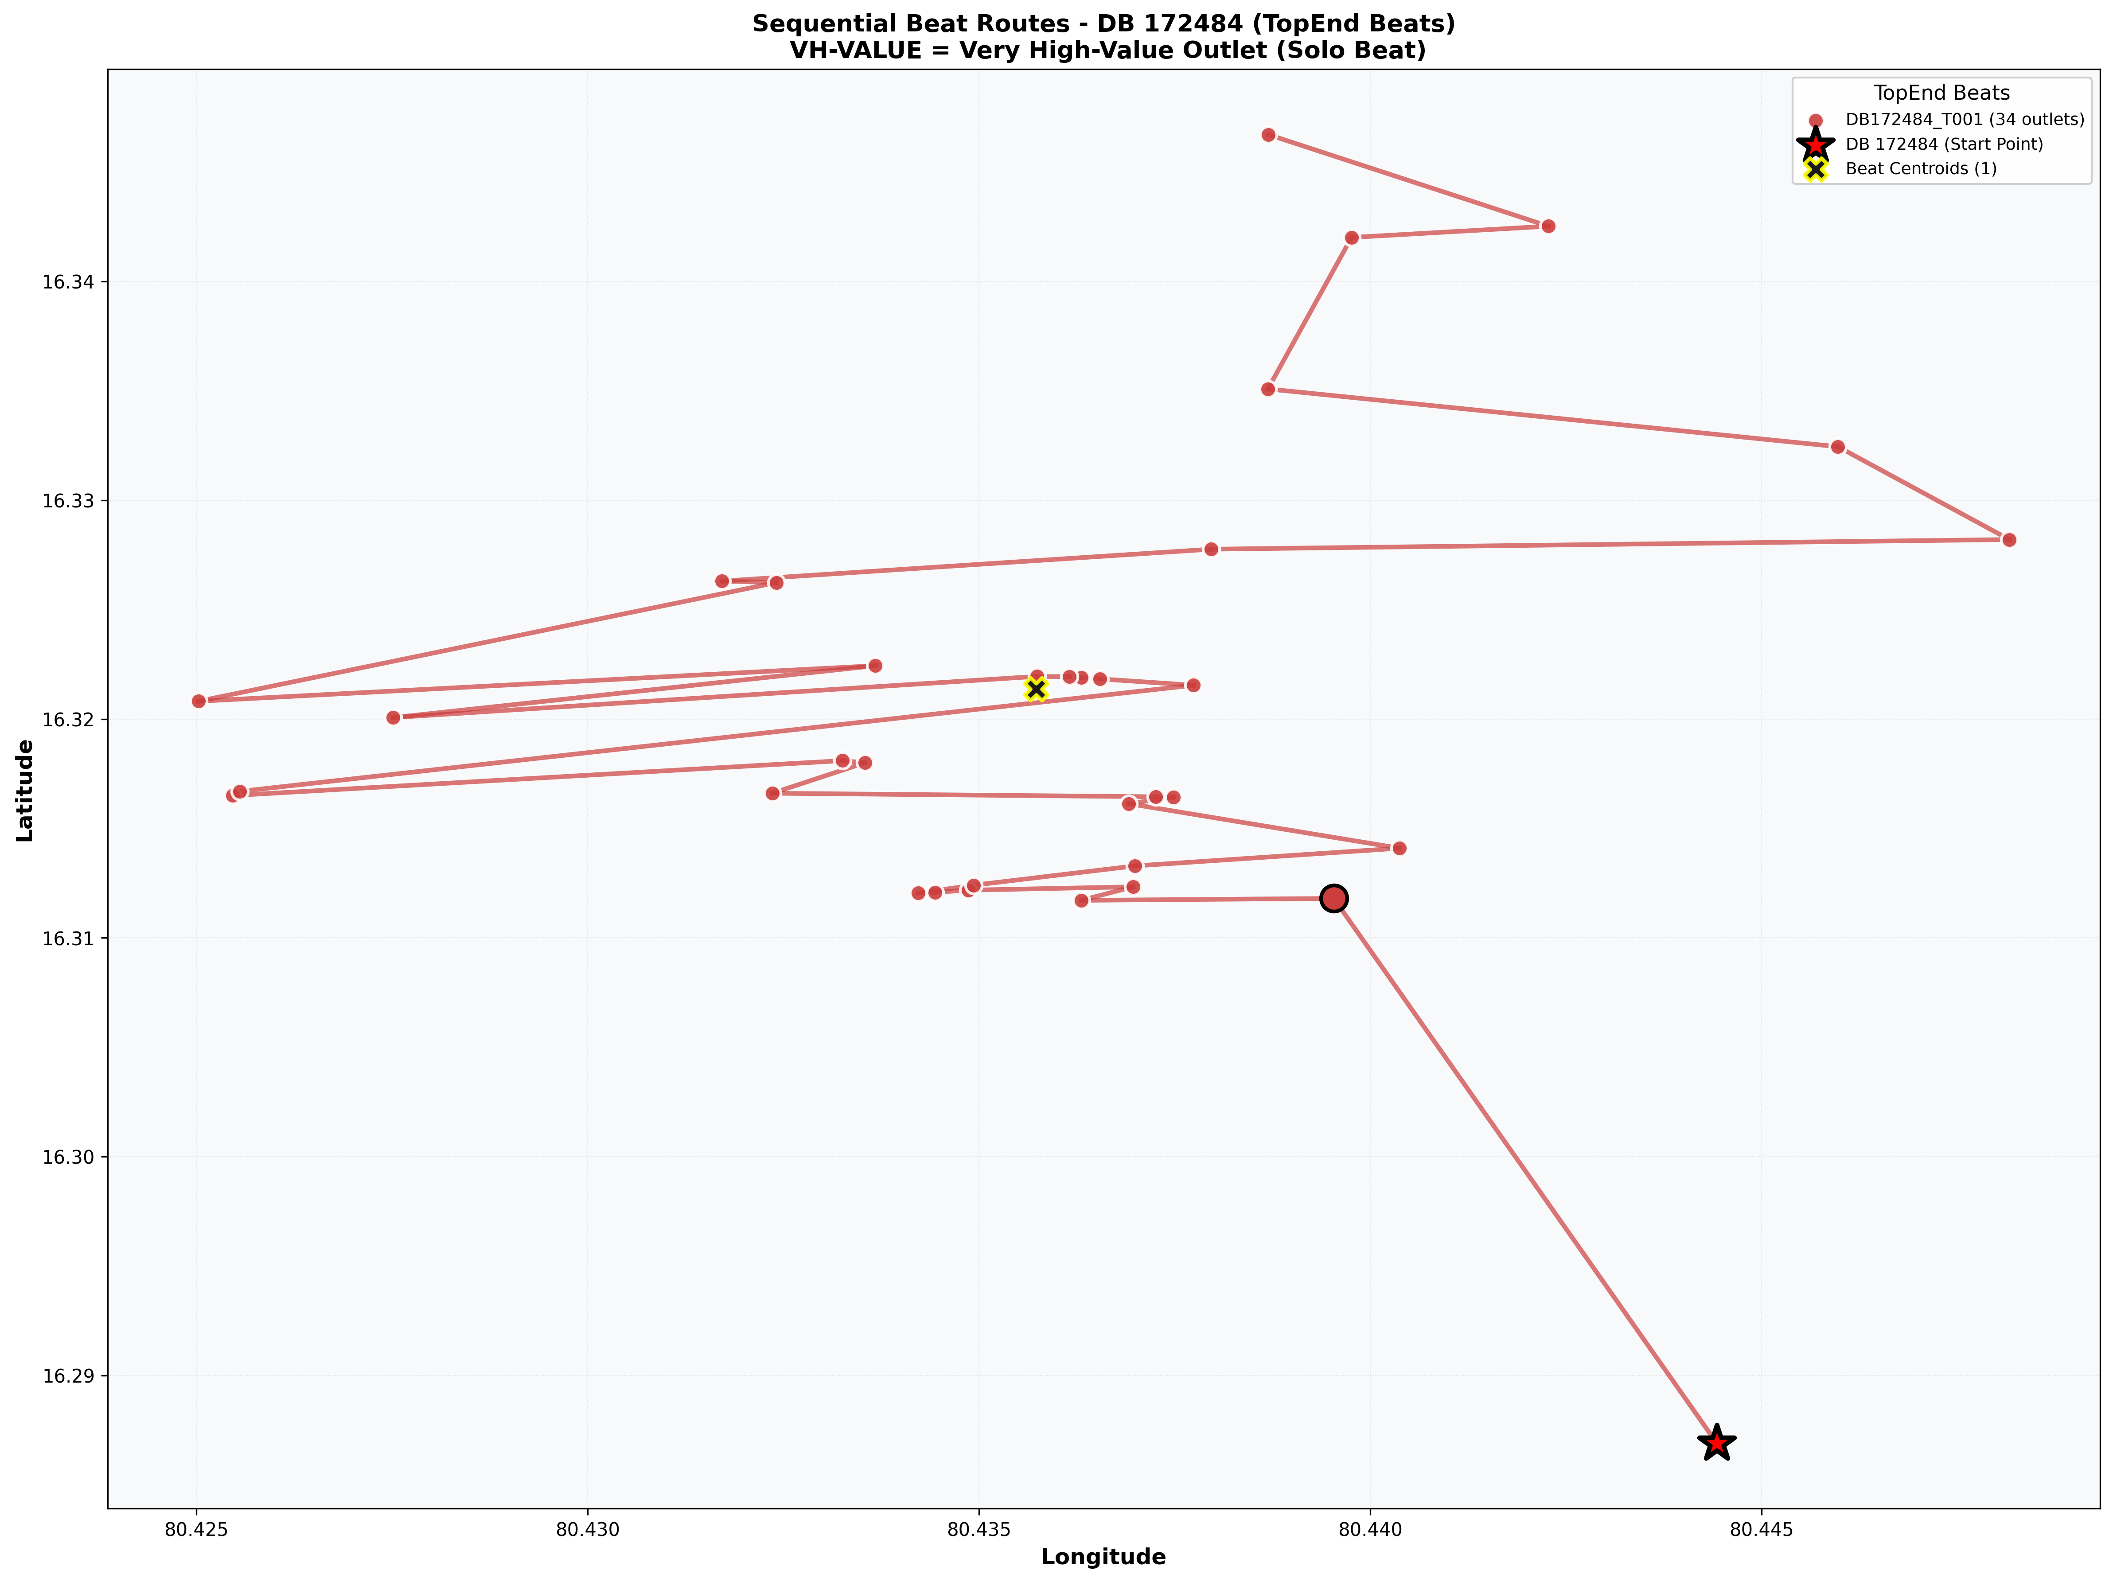
DB_Code | Classification | Image | Size
172484 | TopEnd | Sequential_Route_DB_172484_TopEnd.png | 438.0 KB

Normal Routes
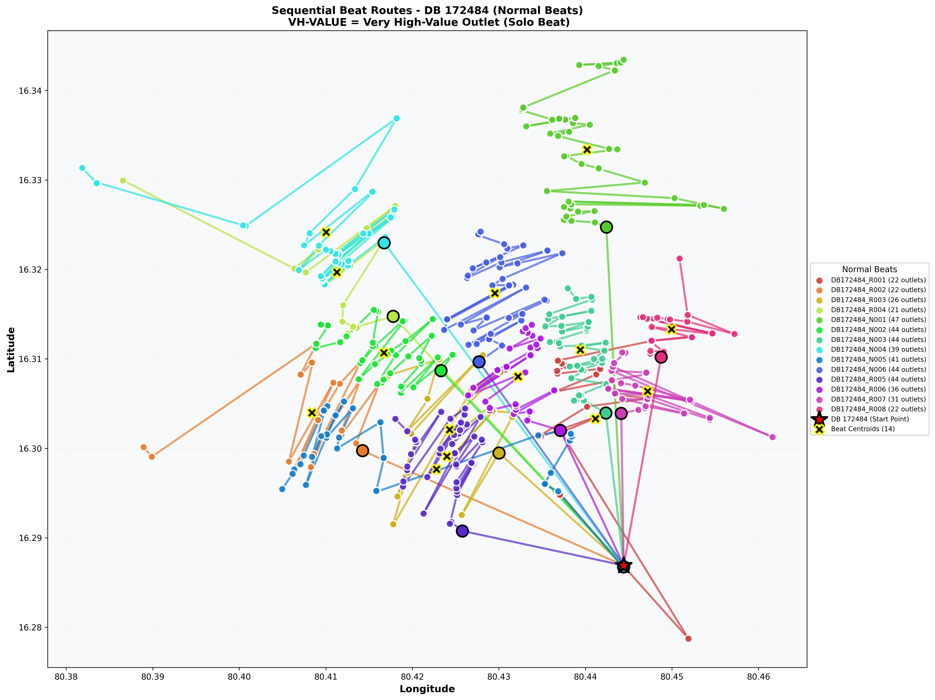
DB_Code | Classification | Image | Size
172484 | Normal | Sequential_Route_DB_172484_Normal.png | 1859.4 KB

